PPM Prod C4
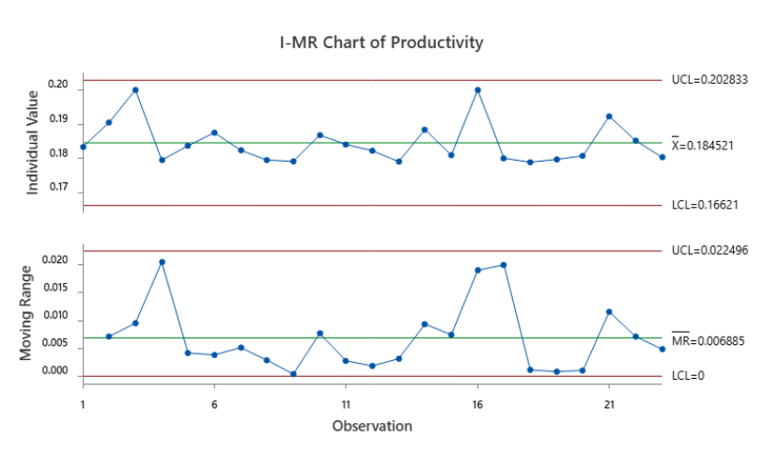
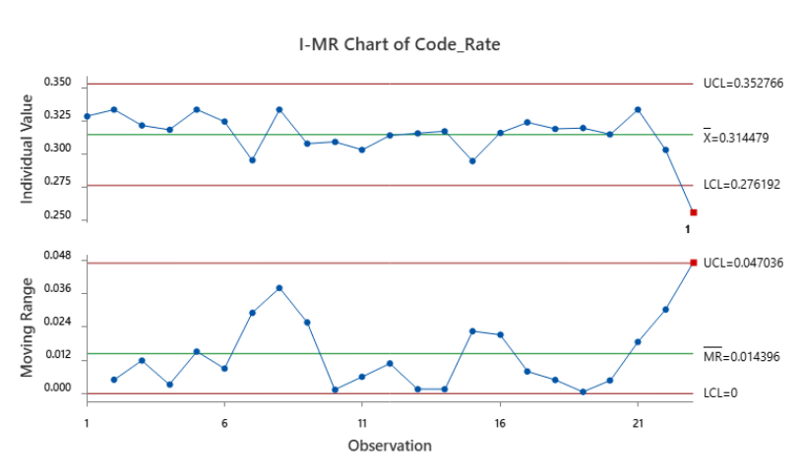
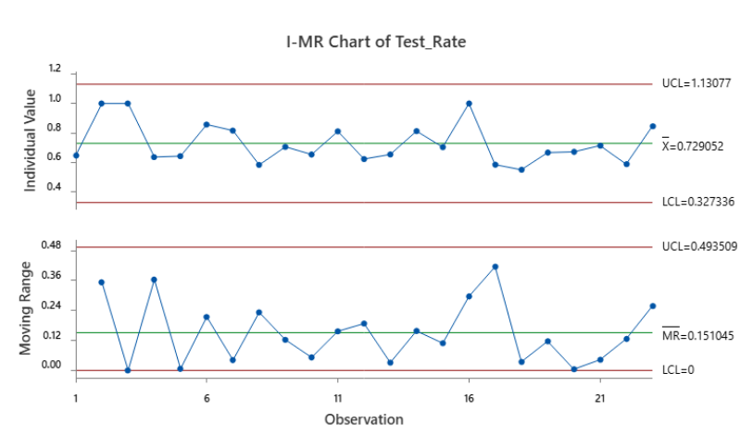
Productivity | Code_Rate | Test_Rate
0.18333333333 | 0.32835820896 | 0.64705882353
0.19047619048 | 0.33333333333 | 1
0.2 | 0.32142857143 | 1
0.17948717949 | 0.31818181818 | 0.63636363636
0.18367346939 | 0.33333333333 | 0.64285714286
0.1875 | 0.32432432432 | 0.85714285714
0.18235294118 | 0.29523809524 | 0.81578947368
0.17948717949 | 0.33333333333 | 0.58333333333
0.17910447761 | 0.30769230769 | 0.70588235294
0.18681318681 | 0.30909090909 | 0.65384615385
0.18404907975 | 0.30303030303 | 0.81081081081
0.18220338983 | 0.31386861314 | 0.6231884058
0.17905405405 | 0.31547619048 | 0.65432098765
0.18095238095 | 0.29457364341 | 0.7037037037
0.2 | 0.31578947368 | 1
0.18 | 0.32374100719 | 0.58441558442
0.17886178862 | 0.31884057971 | 0.55
0.1796875 | 0.31944444444 | 0.66666666667
0.18072289157 | 0.31468531469 | 0.67164179104
0.19230769231 | 0.33333333333 | 0.71428571429
0.18518518519 | 0.30303030303 | 0.58823529412
0.18032786885 | 0.25581395349 | 0.84615384615

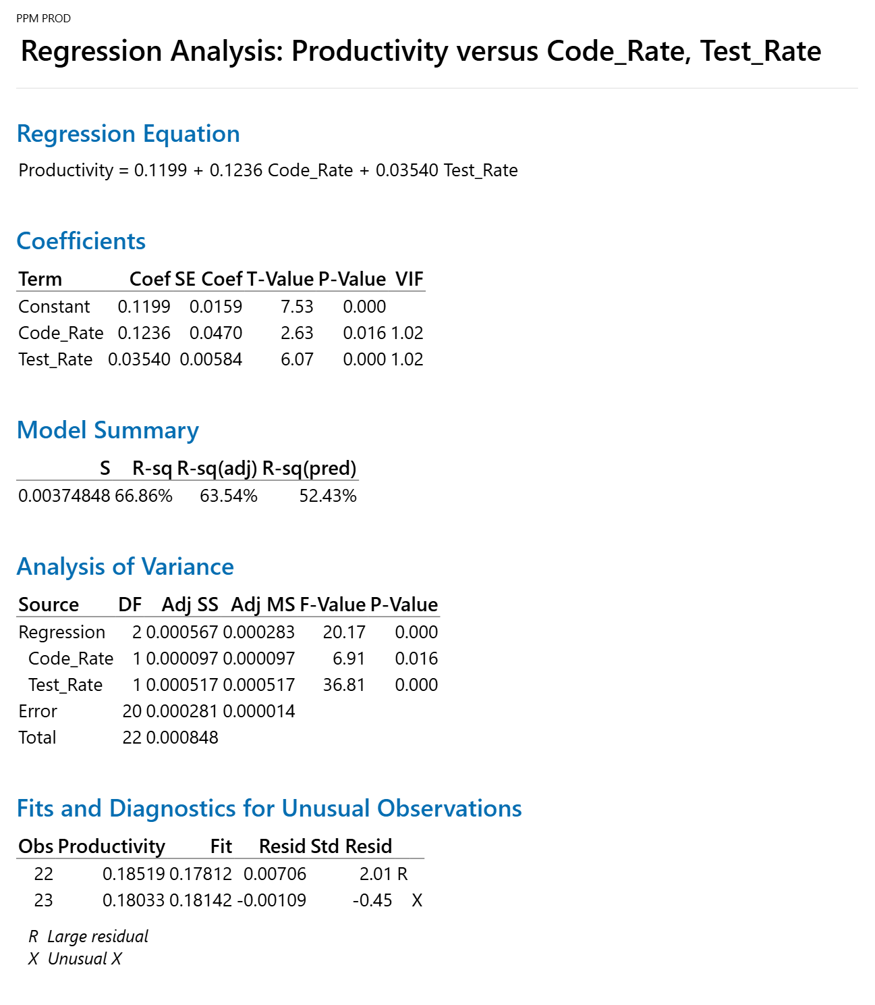
 |  |  | Regression Equation
 |  |  | Productivity | = | 0.1199 + 0.1236 Code_Rate + 0.03540 Test_Rate

 |  |  |  |  | AS-IS | Productivity | Code_Rate | Test_Rate
 |  |  |  |  | Mean | 0.184521 | 0.314479 | 0.729052
 |  |  |  |  | SD | 0.030 | 0.013 | 0.134
 |  |  |  |  | UCL | 0.202833 | 0.352766 | 1.13077
 |  |  |  |  | LCL | 0.022496 | 0.276192 | 0.327336

 |  |  |  |  | Target | Productivity
 |  |  |  |  | Mean | 0.20 |  | 0.0184521
 |  |  |  |  | SD | 0.05

 |  |  |  |  | What if | Productivity | Code_Rate | Test_Rate
 |  |  |  |  | Mean | 0.19943 | 0.4 | 0.85
 |  |  |  |  | SD | 0.050 | 0.050 | 0.050
 |  |  |  |  | USL | 0.34943 | 0.55 | 1
 |  |  |  |  | LSL | 0.04943 | 0.25 | 0.7

PPM Prod C3
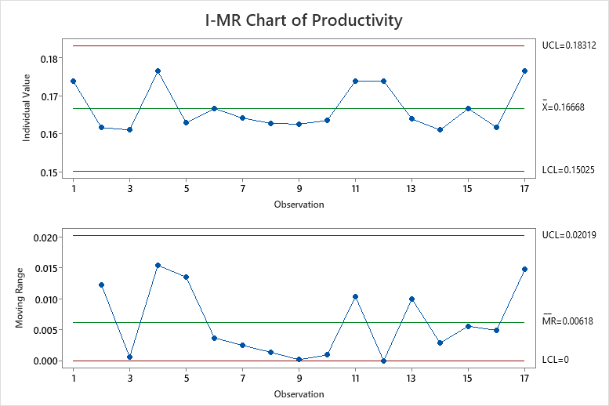
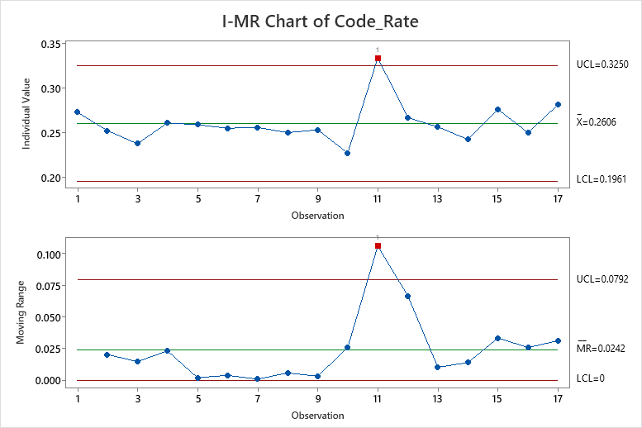
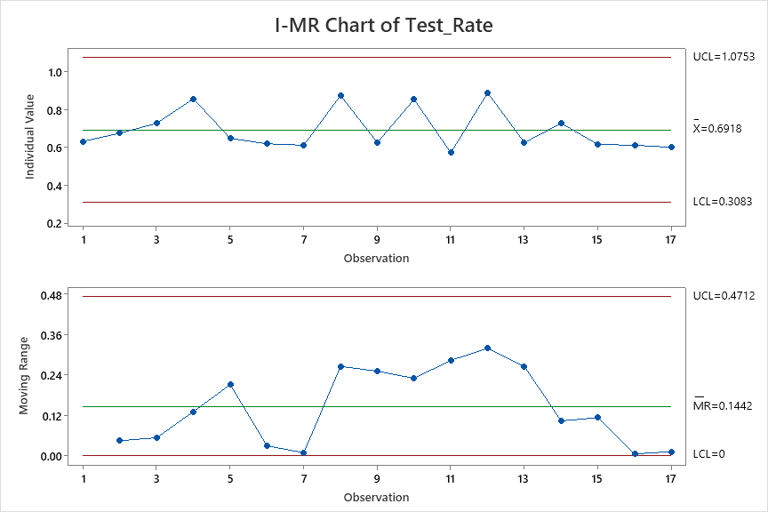
Productivity | Code_Rate | Test_Rate
0.174 | 0.273 | 0.632
0.162 | 0.252 | 0.675
0.161 | 0.238 | 0.727
0.176 | 0.261 | 0.857
0.162 | 0.226 | 0.846
0.182 | 0.276 | 1.000
0.163 | 0.259 | 0.647
0.167 | 0.255 | 0.619
0.164 | 0.256 | 0.611
0.163 | 0.250 | 0.875
0.163 | 0.253 | 0.625
0.164 | 0.227 | 0.854
0.174 | 0.333 | 0.571
0.174 | 0.267 | 0.889
0.164 | 0.256 | 0.625
0.161 | 0.242 | 0.727
0.167 | 0.276 | 0.615
0.162 | 0.250 | 0.611
0.176 | 0.281 | 0.600

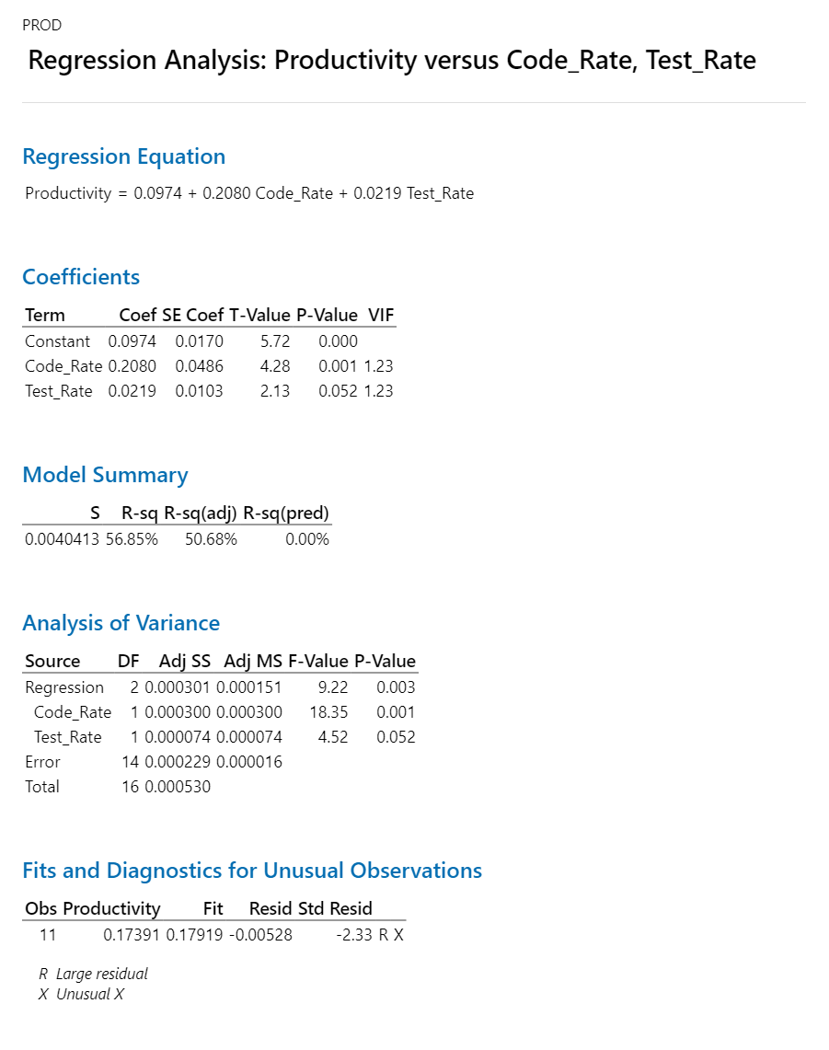

 |  |  | Regression Equation
 |  |  | Productivity | = | 0.0974 + 0.2080 Code_Rate + 0.0219 Test_Rate

 |  |  |  |  | AS-IS | Productivity | Code_Rate | Test_Rate
 |  |  |  |  | Mean | 0.1668 | 0.2606 | 1.0753 |  | 5.9952038369
 |  |  |  |  | SD | 0.005 | 0.021 | 0.064
 |  |  |  |  | UCL | 0.18312 | 0.325 | 0.6918 |  | 5.4608999563
 |  |  |  |  | LCL | 0.15025 | 0.1961 | 0.3083 |  | 6.6555740433

 |  |  |  |  | Target | Productivity
 |  |  |  |  | Mean | 0.18 |  | 0.01668 | mean | 5.4501853063
 |  |  |  |  | SD | 0.05 |  |  | ucl | 0.172
 |  |  |  |  |  |  |  |  | lcl | 0.138
 |  |  |  |  | What if | Productivity | Code_Rate | Test_Rate | sd | 0.051666666667
 |  |  |  |  | Mean | 0.17929 | 0.32 | 0.7
 |  |  |  |  | SD | 0.050 | 0.050 | 0.050
 |  |  |  |  | USL | 0.32929 | 0.47 | 0.85
 |  |  |  |  | LSL | 0.02929 | 0.17 | 0.55

 |  |  |  |  | Action Plan
 |  |  |  | 1 | How to Improve Code Rate
 |  |  |  | 2 | How to Improve Test Rate

 |  |  |  | 1. Outlier Analysis

 |  |  |  | 2. Action Plan for Improvement

PPM CT C4
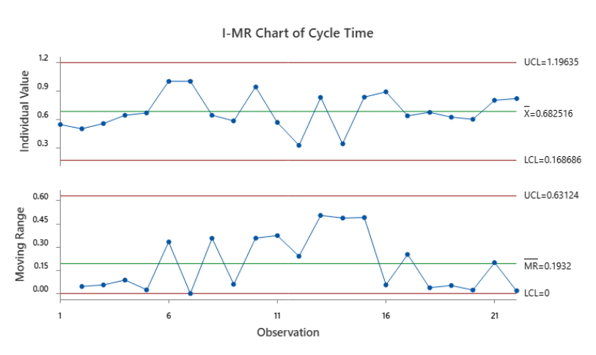
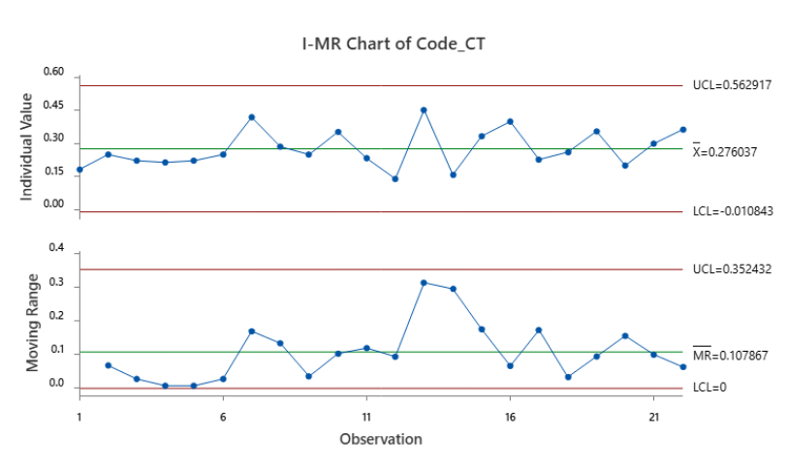
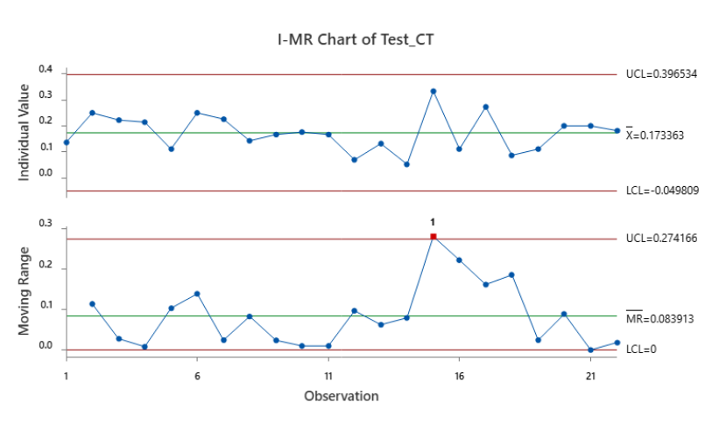
Cycle Time | Code_CT | Test_CT
0.54545454545 | 0.18181818182 | 0.13636363636
0.5 | 0.25 | 0.25
0.55555555556 | 0.22222222222 | 0.22222222222
0.64285714286 | 0.21428571429 | 0.21428571429
0.66666666667 | 0.22222222222 | 0.11111111111
1 | 0.25 | 0.25
1 | 0.41935483871 | 0.22580645161
0.64285714286 | 0.28571428571 | 0.14285714286
0.58333333333 | 0.25 | 0.16666666667
0.94117647059 | 0.35294117647 | 0.17647058824
0.56666666667 | 0.23333333333 | 0.16666666667
0.32558139535 | 0.13953488372 | 0.06976744186
0.83018867925 | 0.45283018868 | 0.1320754717
0.34210526316 | 0.15789473684 | 0.052631578947
0.83333333333 | 0.33333333333 | 0.33333333333
0.88888888889 | 0.4 | 0.11111111111
0.63636363636 | 0.22727272727 | 0.27272727273
0.67391304348 | 0.26086956522 | 0.086956521739
0.62222222222 | 0.35555555556 | 0.11111111111
0.6 | 0.2 | 0.2
0.8 | 0.3 | 0.2
0.81818181818 | 0.36363636364 | 0.18181818182

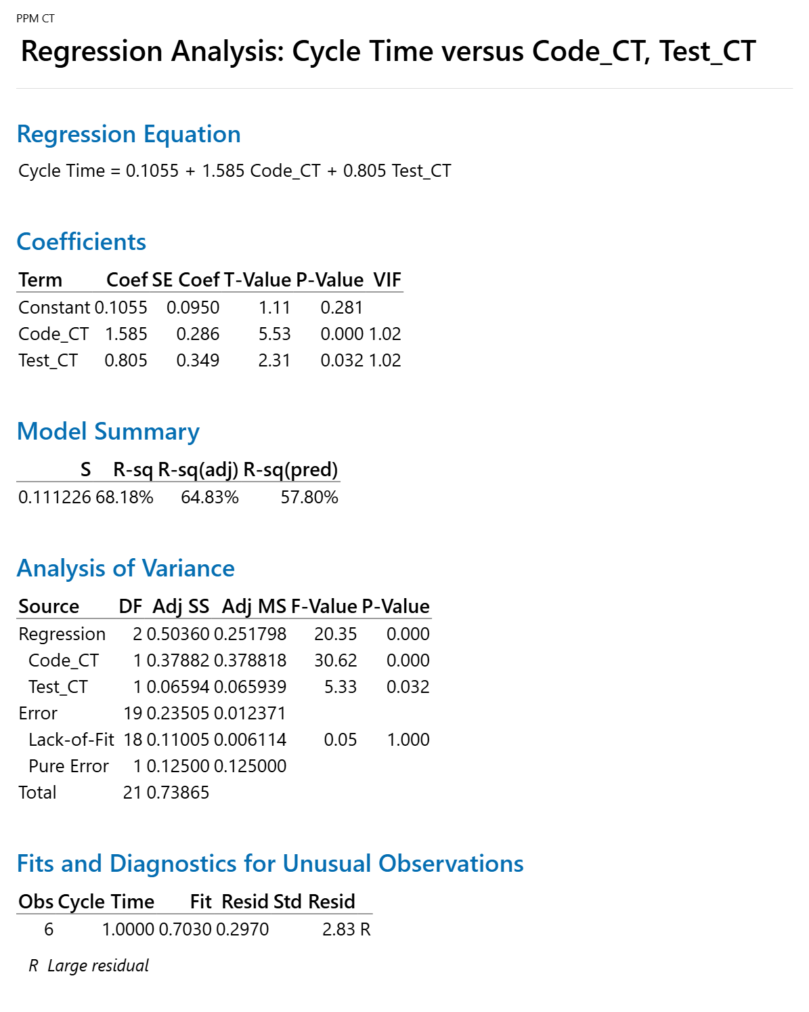

 |  |  | Regression Equation
 |  |  | Cycle Time | = | 0.1055 + 1.585 Code_CT + 0.805 Test_CT

 |  |  |  | AS-IS | Cycle time | Code_CT | Test_CT
 |  |  |  | Mean | 0.682516 | 0.276037 | 0.173363
 |  |  |  | SD | 0.171 | 0.096 | 0.074
 |  |  |  | UCL | 1.19635 | 0.562917 | 0.396534
 |  |  |  | LCL | 0.168686 | -0.010843 | -0.049809

 |  |  |  | Target | Cycle time
 |  |  |  | Mean | 0.6142644 |  | 0.0682516
 |  |  |  | SD | 0.25

 |  |  |  | What if | Cycle time | Code_CT | Test_CT
 |  |  |  | Mean | 0.6141725 | 0.245 | 0.1495
 |  |  |  | SD | 0.25 | 0.1 | 0.5
 |  |  |  | USL | 1.3641725 | 0.545 | 1.6495
 |  |  |  | LSL | -0.1358275 | -0.055 | -1.3505

PPM CT C3
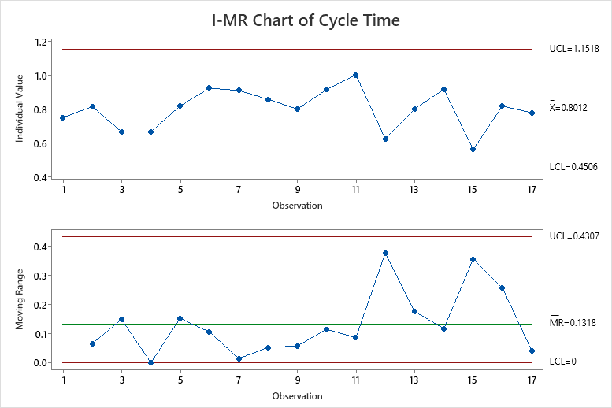
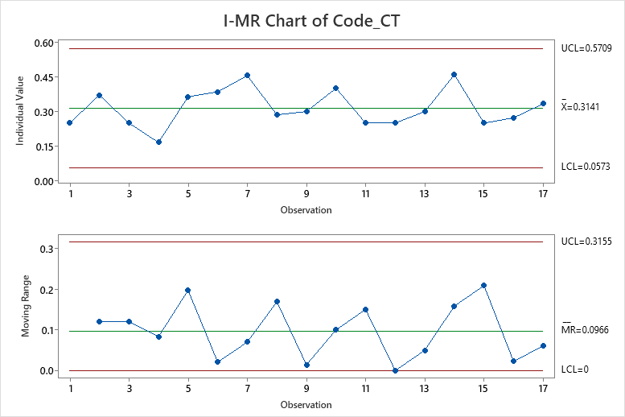
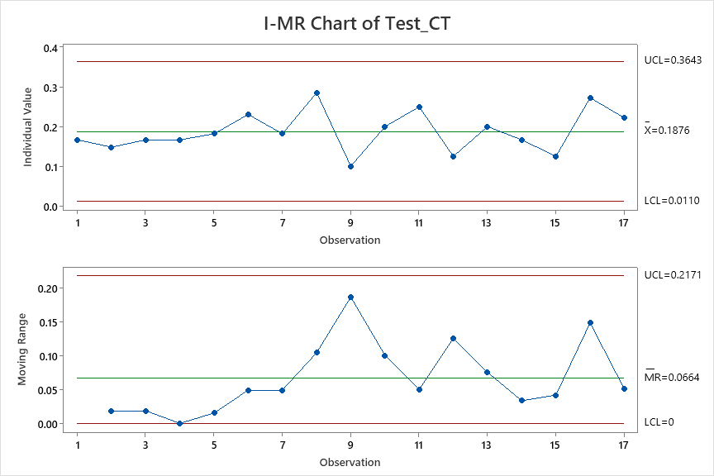
Cycle Time | Code_CT | Test_CT
0.75 | 0.25 | 0.16666666667
0.81481481481 | 0.37037037037 | 0.14814814815
0.66666666667 | 0.25 | 0.16666666667
0.66666666667 | 0.16666666667 | 0.16666666667
0.81818181818 | 0.36363636364 | 0.18181818182
0.92307692308 | 0.38461538462 | 0.23076923077
0.90909090909 | 0.45454545455 | 0.18181818182
0.85714285714 | 0.28571428571 | 0.28571428571
0.8 | 0.3 | 0.1
0.91428571429 | 0.4 | 0.2
1 | 0.25 | 0.25
0.625 | 0.25 | 0.125
0.8 | 0.3 | 0.2
0.91666666667 | 0.45833333333 | 0.16666666667
0.5625 | 0.25 | 0.125
0.81818181818 | 0.27272727273 | 0.27272727273
0.77777777778 | 0.33333333333 | 0.22222222222
13.620052633 | 5.3399424649 | 3.1898841899

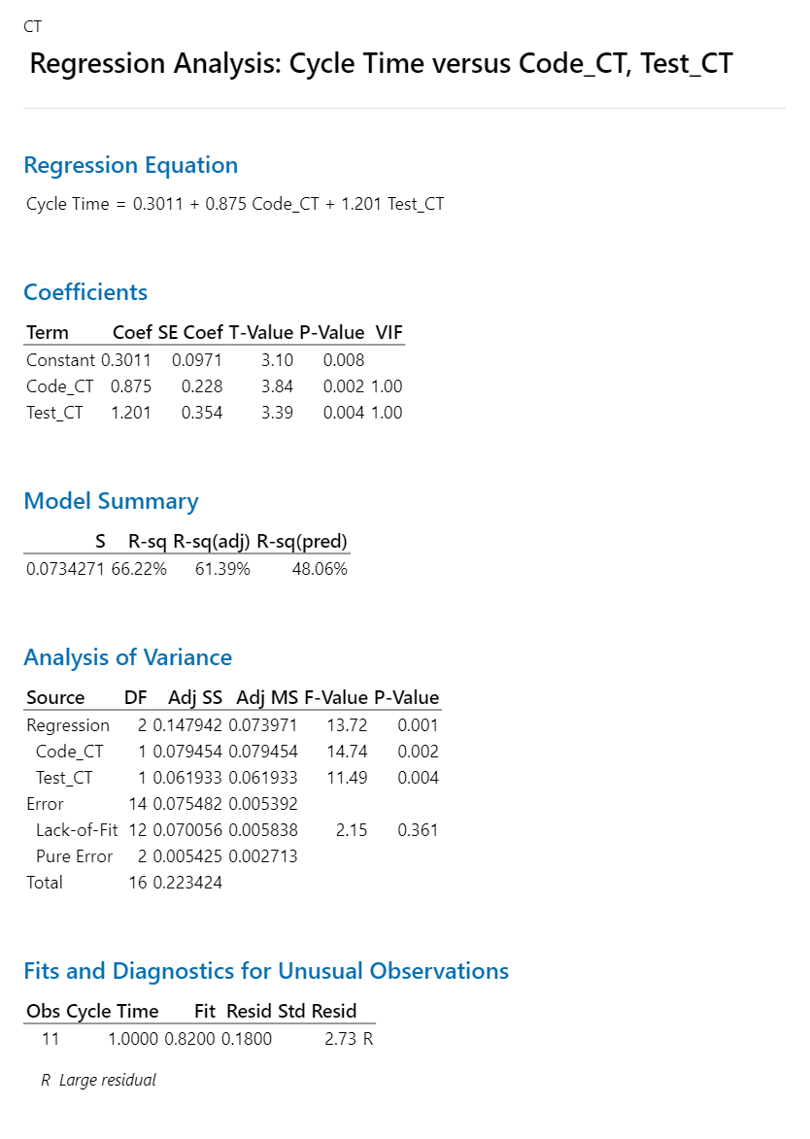

 |  |  | Regression Equation
 |  |  | Cycle Time | = | 0.3011 + 0.875 Code_CT + 1.201 Test_CT

 |  |  |  | AS-IS | Cycle time | Code_CT | Test_CT
 |  |  |  | Mean | 0.8012 | 0.3141 | 0.1876
 |  |  |  | SD | 0.117 | 0.086 | 0.059
 |  |  |  | UCL | 1.1518 | 0.5709 | 0.3643
 |  |  |  | LCL | 0.4506 | 0.0573 | 0.011

 |  |  |  | Target | Cycle time
 |  |  |  | Mean | 0.72108 |  | 0.08012
 |  |  |  | SD | 0.25

 |  |  |  | What if | Cycle time | Code_CT | Test_CT
 |  |  |  | Mean | 0.72402 | 0.25 | 0.17
 |  |  |  | SD | 0.25 | 0.1 | 0.5
 |  |  |  | USL | 1.47402 | 0.55 | 1.67
 |  |  |  | LSL | -0.02598 | -0.05 | -1.33

PPM DRE C3
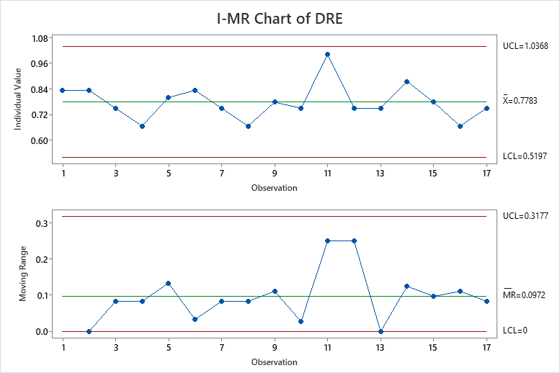
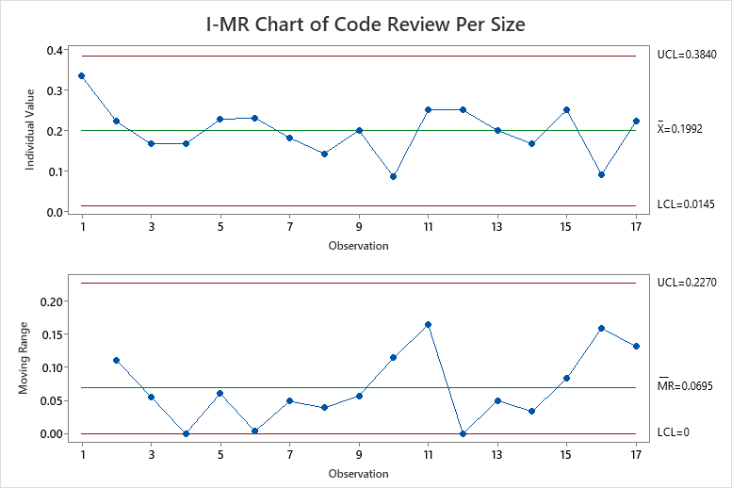
DRE | Code Review Per Size
0.83 | 0.33
0.83 | 0.22
0.75 | 0.17
0.67 | 0.17
0.80 | 0.23
0.83 | 0.23
0.75 | 0.18
0.67 | 0.14
0.78 | 0.20
0.75 | 0.09
1.00 | 0.25
0.75 | 0.25
0.75 | 0.20
0.88 | 0.17
0.78 | 0.25
0.67 | 0.09
0.75 | 0.22

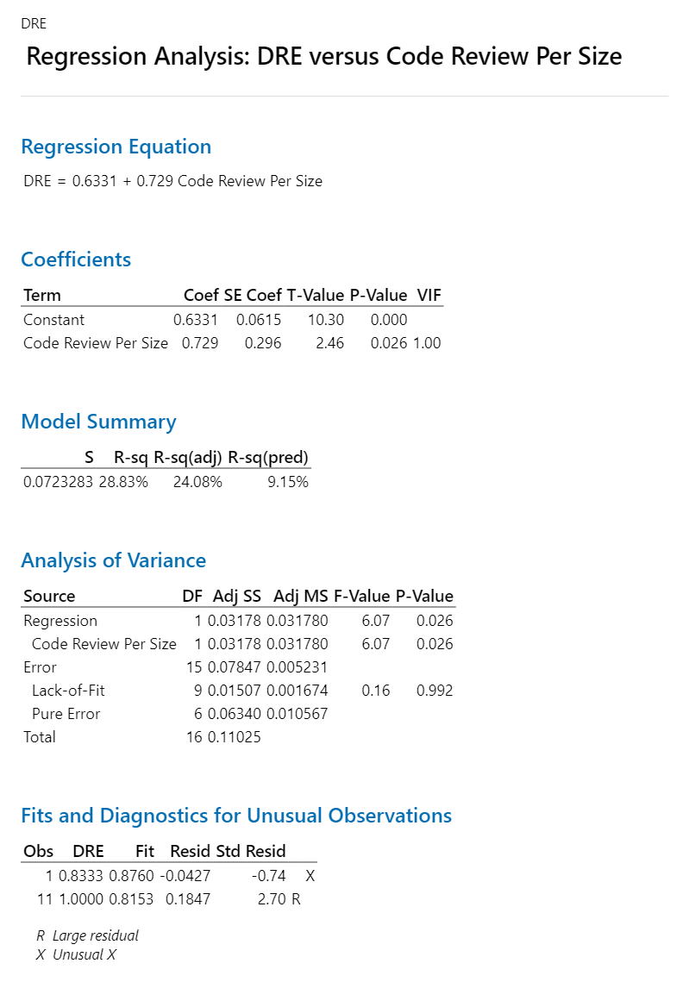

 |  | Regression Equation
 |  | DRE | = | 0.6331 + 0.729 Code Review Per Size

 |  | AS-IS | DRE | Code Review Per Size
 |  | Mean | 0.778 | 0.1992
 |  | SD | 0.086 | 0.062
 |  | UCL | 1.0368 | 0.384
 |  | LCL | 0.5197 | 0.0145

 |  | Target | DRE
 |  | Mean | 0.80 |  | 0.0389
 |  | SD | 0.10

 |  | What if | DRE | Code Review Per Size
 |  | Mean | 0.793 | 0.22
 |  | SD | 0.1 | 0.05
 |  | USL | 1.09348 | 0.37
 |  | LSL | 0.49348 | 0.07

PPM DRE C4
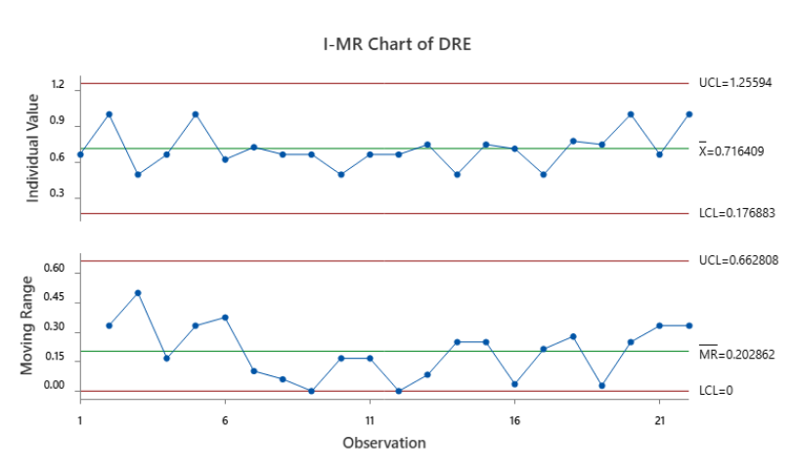
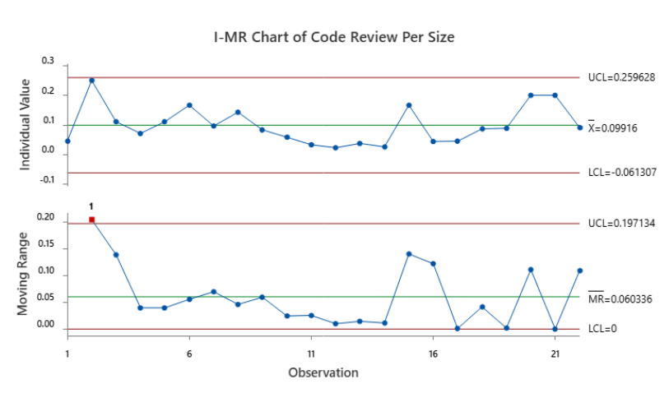
DRE | Code Review Per Size
0.66666666667 | 0.045454545455
1 | 0.25
0.5 | 0.11111111111
0.66666666667 | 0.071428571429
1 | 0.11111111111
0.625 | 0.16666666667
0.72727272727 | 0.096774193548
0.66666666667 | 0.14285714286
0.66666666667 | 0.083333333333
0.5 | 0.058823529412
0.66666666667 | 0.033333333333
0.66666666667 | 0.023255813953
0.75 | 0.037735849057
0.5 | 0.026315789474
0.75 | 0.16666666667
0.71428571429 | 0.044444444444
0.5 | 0.045454545455
0.77777777778 | 0.086956521739
0.75 | 0.088888888889
1 | 0.2
0.66666666667 | 0.2
1 | 0.090909090909

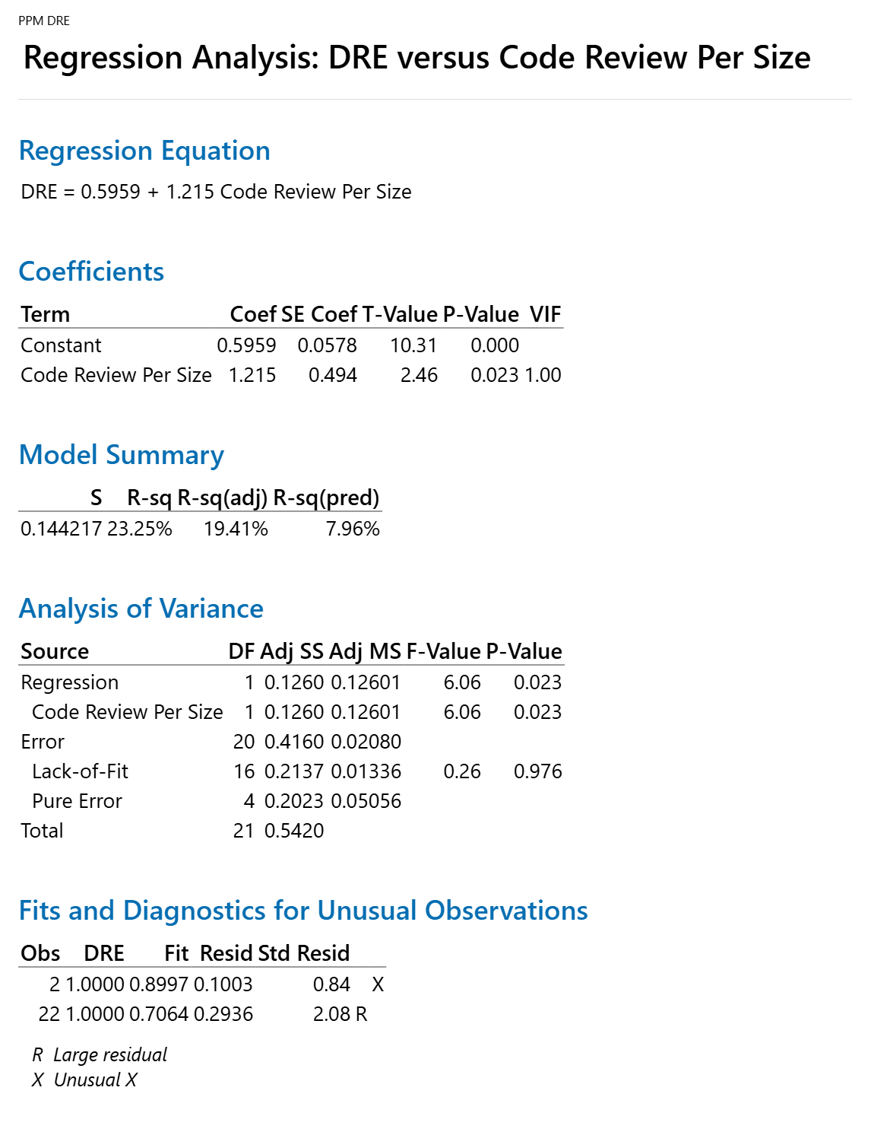

 |  | Regression Equation
 |  | DRE | = | 0.5959 + 1.215 Code Review Per Size

 |  | AS-IS | DRE | Code Review Per Size
 |  | Mean | 0.716409 | 0.09916
 |  | SD | 0.180 | 0.033
 |  | UCL | 1.25594 | 0.259628
 |  | LCL | 0.176883 | 0.061307

 |  | Target | DRE
 |  | Mean | 0.80
 |  | SD | 0.10

 |  | What if | DRE | Code Review Per Size
 |  | Mean | 0.802 | 0.17
 |  | SD | 0.1 | 0.05
 |  | USL | 1.10245 | 0.32
 |  | LSL | 0.50245 | 0.02

